BugReport
 |  |  |  |  |  | QA |  |  |  | DEV
Build no | Description | TCID | Steps to replicate bug | Screenshot | Sevirity | Priority | Reported by | Assigned to | Resoulation | Status | Fixed date
1 | No Error Showed for invalid Email | TC_juice_002 | 1.Launch Browser 2.Open URL"https://demo.owasp-juice.shop/" 3.click the login tab then click the not yet a customer option 4.Fill your personal details(E-mail, Password,Repeat password, scurity question and answer 5.click on Register Button | 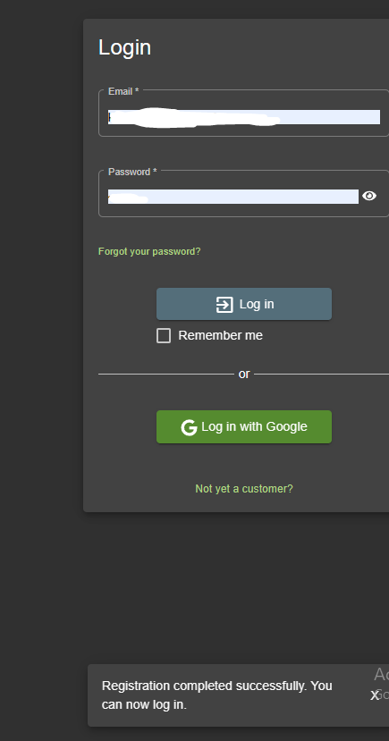 | HIGH | P2 | Mitu
2 | No error showing for wrong pattern of secuity questions | TC_juice_00 | 1.Launch Browser 2.Open URL"https://demo.owasp-juice.shop/" 3.click the login tab then click the not yet a customer option 4.Fill your personal details(E-mail, Password,Repeat password, scurity question and answer 5.click on registartion | 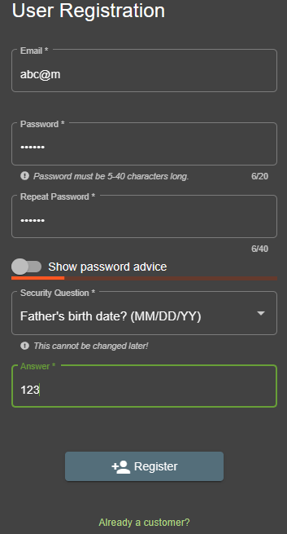 | HIGH | P1 | Mitu
3 | The bot replying with Wrong text | TC_juice_9 | 1.Logged in as user 2.Click on support chat option 3.Type test in the message and press enter |  | Low | P4 | Mitu
4 | No error for wrong address | TC_juice_14 | 1.Logged in as user 2.click on cart option 3.Click on Checkout 4.Click on add new address and Provide invalid address by filling up (Country ,Name, Mobile number,ZIP code, Address, city and state 5.Click on submit |  | High | P1 | Mitu
5 | No error for Invalid card info | TC_juice_14 | 1.Logged in as user 2.click on cart option 3.Click on Checkout and choose the address 4.Click continue 5.Choose a delivery speed 6.click on Add new card 7.Provode with invalid Name, Card number,Expiry Month , Expiry year) |  |  | P1 | Mitu

